Entry form
REYKJAVÍK JUDO OPEN 2018
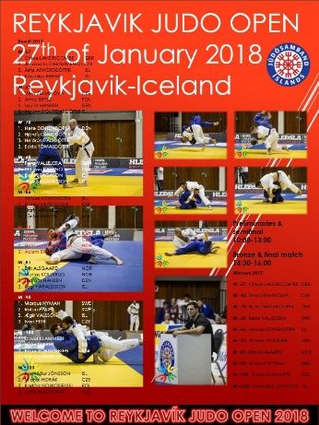
Country |  | ISL
Contact name
E-mail
Telephone
Minimal grade is 2. kyu and born 2003 and before.
Please send entry before 15 th of January to |  |  |  |  | jsi@judo.is
Nr. | First name | Family name | Born year | Gender | Grade | Club | Country | Weight category
1 |  |  | 2003 | M | 2. kyu |  | ISL | M -60
2 |  |  |  |  |  |  | ISL
3 |  |  |  |  |  |  | ISL
4 |  |  |  |  |  |  | ISL
5 |  |  |  |  |  |  | ISL
6 |  |  |  |  |  |  | ISL
7 |  |  |  |  |  |  | ISL
8 |  |  |  |  |  |  | ISL
9 |  |  |  |  |  |  | ISL
10 |  |  |  |  |  |  | ISL
11 |  |  |  |  |  |  | ISL
12 |  |  |  |  |  |  | ISL
13 |  |  |  |  |  |  | ISL
14 |  |  |  |  |  |  | ISL
15 |  |  |  |  |  |  | ISL
16 |  |  |  |  |  |  | ISL
17 |  |  |  |  |  |  | ISL
18 |  |  |  |  |  |  | ISL
19 |  |  |  |  |  |  | ISL
20 |  |  |  |  |  |  | ISL

