Entry form
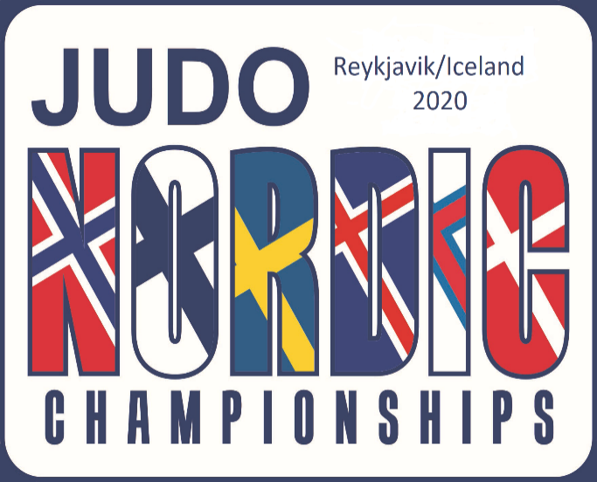
NORDIC JUDO CHAMPIONSHIPS 2020
12th - 13th of September 2020. Reykjavik - Iceland.

Country
Contact name
E-mail
Telephone
Please send entry latest 28th of August at email |  |  |  |  | jsi@jsi.is
Nr. | First name | Family name | Born Year | Age categories | Grade | Country | Weight U18 Men | Weight U18 Women | WeightU21 Men | Weight U21 Women | Weight Senior and Veterans Men | Weight Senior and Veterans Women
1
2
3
4
5
6
7
8
9
10
11
12
13
14
15
16
17
18
19
20
21
22
23
24
25
26
27
28
29
30
31
32
33
34
35
36
37
38
39
40
41
42
43
44
45

